PRE BOY-YB
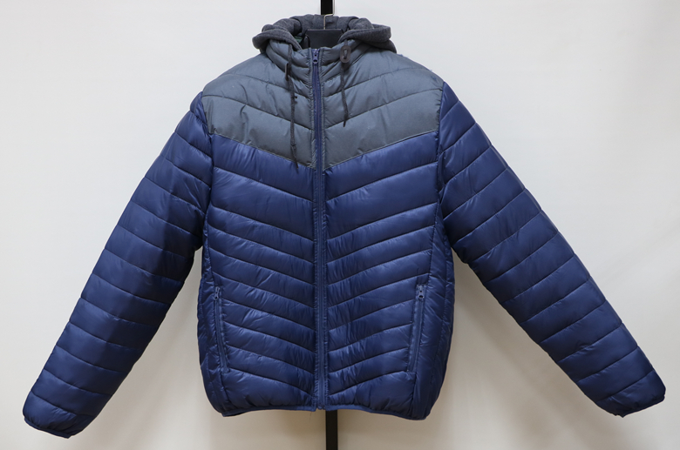
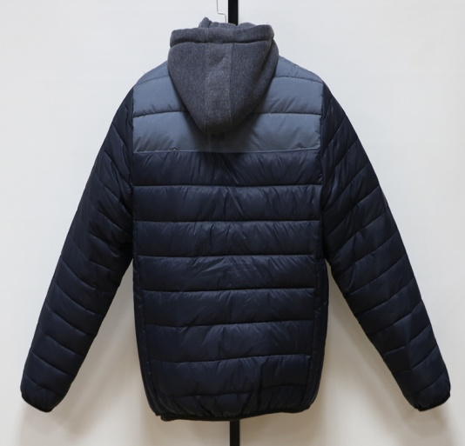
NAVY
JACKET IN- STOCK
Description | MEN FAKE DOWN JACKET
Style NO. | # 18005
Shell Fabric | 100%NYLON 20D
Lining | 100% Polyester 210T
Filler | POLYFILL |  |  |  | 400 | G/PC
UNIT PRICE : US$ 10.25 FOB(XIAMEN)
We will charge 0.25$ more if you want to change labels&tags.
 | Quantity List
COLOR / SIZE | S | M | L | XL | XXL | PCS/Color
Black | 345 | 690 | 690 | 345 | 345 | 2415
Navy | 60 | 120 | 120 | 60 | 60 | 420
Royal Blue | 70 | 140 | 140 | 70 | 70 | 490
Grey | 57 | 114 | 114 | 57 | 57 | 399
Total Quantity : 3724 PCS
Packing List | Ratio(Solid Color/Full sizes) |  |  |  |  | PCS
COLOR / SIZE | S | M | L | XL | XXL | per CTN
SOLID COLOR | 4 | 8 | 8 | 4 | 4 | 28

Black | 86 | CTNS | 12.76 | CBM |  | TOTAL
Navy | 15 | CTNS | 2.22 | CBM |  | 19.67
Royal Blue | 18 | CTNS | 2.59 | CBM
Grey | 14 | CTNS | 2.11 | CBM |  | CBM
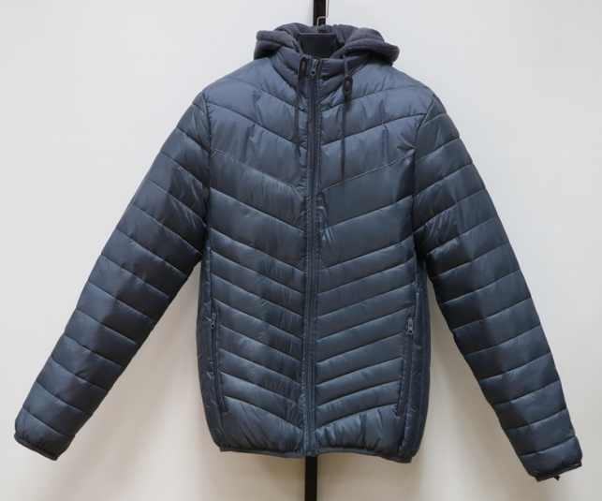
GREY
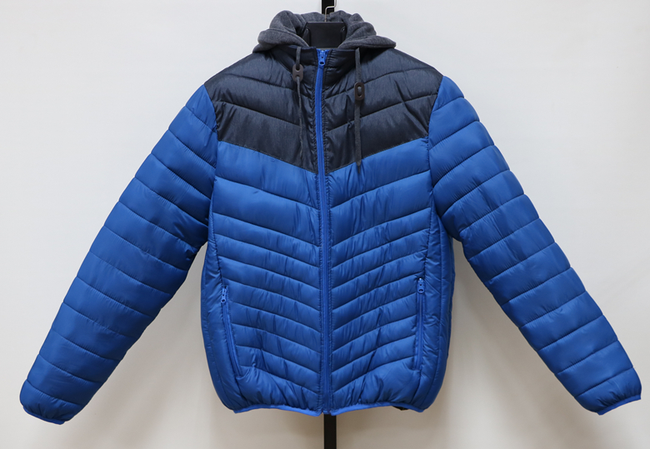
ROYAL
BLUE
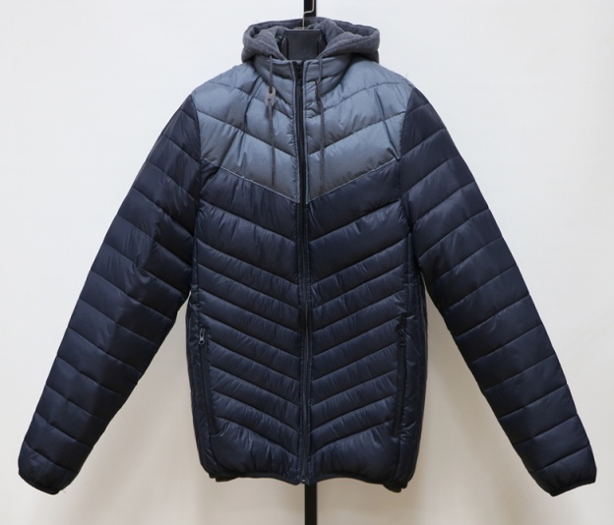
BLACK
TOTAL : | 133 | CTNS
G/W:15.0KGS | Total G.W: |  | 1995.0KGS
N/W:14.0KGS | MEAS: | 58 X | 34 X | 75 CM

SIZE SPEC | S | M | L | XL | XXL
1/2 Chest | 56 | 59 | 62 | 65 | 68 | cm
B.C.Length | 68 | 69 | 70 | 72 | 74 | cm
SLV.Length | 66 | 67 | 68 | 70 | 71 | cm

